Root list
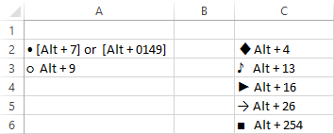
Root list
TASK | PRIORITY | STATUS | START DATE | DUE DATE | % COMPLETE | DONE? | NOTES
Programming languages • JavaScript • Java | Normal | In Progress | 2020-03-09 | 2020-03-16 | 0% |  | ♦ Root task1 : Cover JavaScript basics
Mobile Technologies • React Native • Android | High | In Progress | 2020-02-08 | 2020-03-14 | 0%
Certifications • Android Associate developer • Software Security Certification | Low | In Progress | 2020-02-15 | 2020-02-25 | 0%

